Sheet2
SL NO | VARIANT | SKU | QTY | PKD | REMARKS | Sample Photo graph | Remarks | Corrective actions | Status
1 | JO LIME | 50 GM | 2 | Sep-16 | Marbelisation not proper; none on top ane excess on bottom | 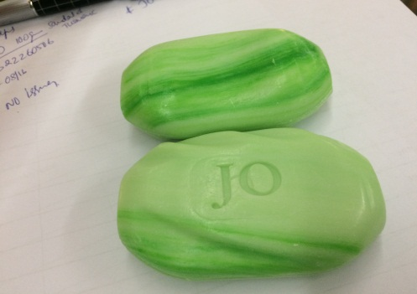 | Marbelising Pattern keeps changing and is being adjusted online. Many times it happens it comes higher on either sides and is recycled till both side marbelising is attained.More recycle will lead poor marbelising. However It is at the best judgement of Operator to recycle/ being packed. | Plant to work on how to imrove consistency of marbelising on both side. 1)Use two pumps instead of single pump. 2)Increase nos. of injection points from two to three. Make Operator be more attentative as far as judgement is concerned. | Injections Nozzles are ordered and will receive in two to three days Additional Pumps require are being made ready after receiving the sapres. Two pumps are being used .
2 | DOY SOFT & GENTLE (RED TPT) | 125 GM | 1 | May-16 | EMBEDDED PARTICLE BLACK COLOUR; | 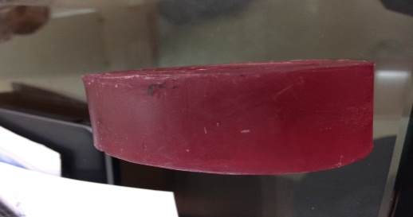 | This is a process with many manual intervention including bar handling,bar cutting,billet polishing etc. Also being very sticky this soap is prone to catch foreign material. However regular training and close watch helps us eliminate such incidents. It seems some soaps have escaped our attention and gone to the market | Polishing process to be automised and to avoid using new manpower without specific traing about this type of contamination due to stickiness of soap. Frquency of Cleaning of Trays, Stamping M/c conveyors and Cutter conveyors to be Check for MOC of conveyors of Stamping M/C and change to SS whereevr possible. | SS Rollers are received by factory and will be changed on Sunday.
3 | JO ALMOND & CRÈME | 50 GM | 2 | Sep-16 | SPECKLES ARE LESS/ SOAP LESS WHITE | 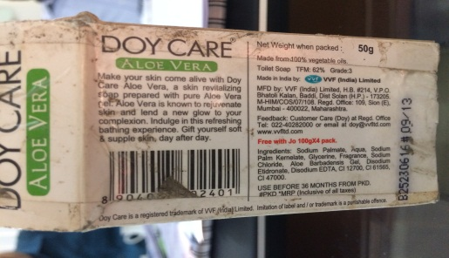 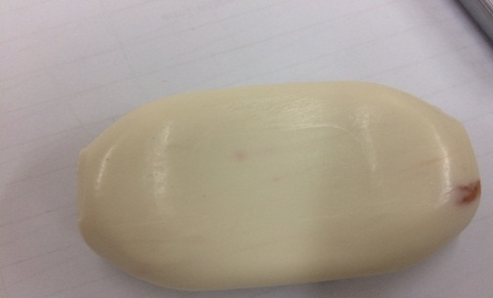 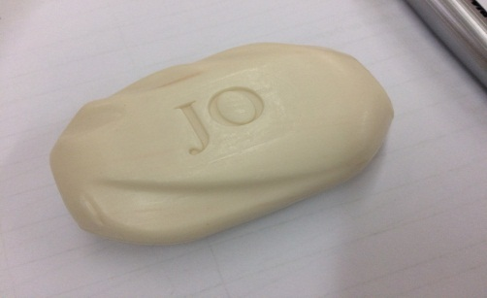 | Speckle dosing is a manual process and it happens that some times speckels are more and sometimes it is less. During recycle speckle gets mixed with soap and colour gets mixes with soap. | Existing Automated system will be reviewed for its failure and if necessry relocation of the same will be done | Auto Dosing System is Installed on Line H4 after relocations to on Upper duplex Plodder. On H5 it will be Installed by month End.
4 | JO SANDAL (3+2) PACK | 100 GM | 5 | Mar-16 | WHITE SPOTS ON SOAPS; SOAP DRY | 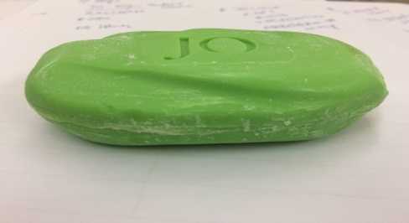 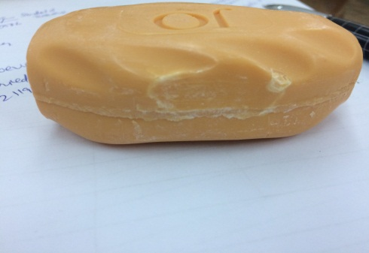 |  | Need R&D guidelines for Soap moisture to be defined to avoid dryness and possible white spots duw to dryness at shelf PU foam to be rechecked on regular basis for reduced friction on conveyor Deflashing Plate of 4mm Thickness of SS / Brass plate to be ordered with new Dies of 100Gms and review the resuts. ( currently Hylem plate is being used.) | R&D to Revert PU Foam used on conveyor belts Guide. With New 100 g Dies we have ordered Brass deflashing Plate.
5 |  |  |  |  |  | 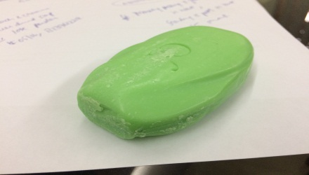 | It seems that soaps gets friction during wrapping and missed attention of operator to remove while correcting the machine. | Specific instruction to be given to operators to remain vigilant and not to repeat such incidents again. | Done
6 | BACTER SHIELD ULTRA | 60 GM | 1 | Jan-16 | BLACK FOREIGN PARTICLES EMBEDDED IN THE SOAP | 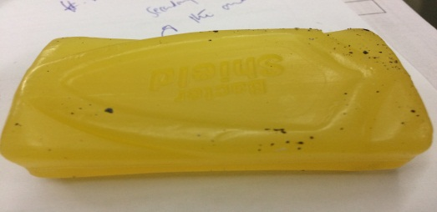 | Need to analyse the type of contamination. From image seems not originated at factory | Sample required to arrive at any action | Not From Factory Soap Might had fallen in some Bins at retailer end and have gained Dirt from slight opening from side seals .
9 | BACTER SHIELD RED | 125 GM | 4 | Jul-14 | PAPER/WRAPPER STICKING ON SOAP/ FLASH ON EDGES |   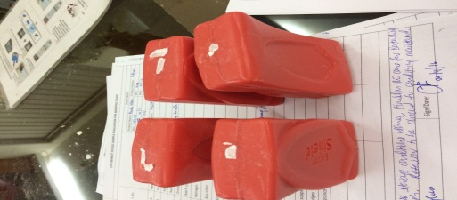 | It seems poor fibre in wrapper resulted in fibre sticking at soap which already had glycerine | Will check the soap for this complaint during next run and will revert te corrective action Check pressure of heater belts during subsequent runs and revert. | NO plan received.
10 | JO PEACH & CRÈME (3+2) + 60 GM JO SOAP | 100 GM | 4 | Apr-15 | DRY POWDER COMING OUT OF SOAP/ DENTS/ POWDERY DRY SOAP | 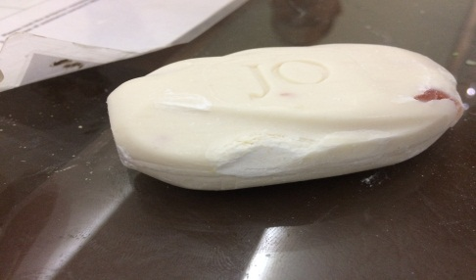 | Deflashing plate produces soap fragments on the sides of the soaps. Dried soap during rattling and Fallen dried soap in wrapped condition produces chips and power from these soap fragments. | Soap moisture to be increased to avoid dryness and possible white spots duw to dryness. PU foam to be rechecked on regular basis for reduced friction on conveyor. Deflashing plates to be cleaned more thoroughly and if possible to be made of 4mm | done

